Dashboard
Adventure Work Sales Analysis

94.7%
Total Qty
Total COGS
Total Revenue
Total Profit
Profit Margin%
#Transaction
of #Transaction came from the highlighted years
23.58K
$6.04M
$10.27M
$4.23M
41.2%
2.29K
1,390
+25.31%
Average#Transaction
+25.31%
+40.54%
 | Year | #Transaction | Above Average | Average#Transaction
2005 | 2005 | $0K | 0 | 1,390
2006 | 2006 | $0K | 0 | 1,390
2007 | 2007 | $2K | 2291 | 1,390
2008 | 2008 | $3K | 2975 | 1,390
-2.43%
-1.48%
-0.10%
+1.38%

 | Total
Jan | $186K
Feb | $142K
Mar | $261K
Apr | $225K
May | $227K
Jun | $365K
Jul | $389K
Aug | $380K
Sep | $416K
Oct | $350K
Nov | $430K
Dec | $863K
In 2007
Dec
Nov
Sep
&
collectively accounted for
40.4%
 | Total Profit | Highlight
Sun | $694.93K | 694929.75
Tue | $642.77K | 642766.58
Sat | $611.61K | 611611.67
Mon | $586.08K | 0.00
Wed | $576.81K | 0.00
Thu | $561.27K | 0.00
Fri | $560.82K | 0.00
The Highlighted weekdays contributed
46.0%
of Total Profit
of Total Profit

 | Total
Weekday | $2.93M
Weekend | $1.31M
WEEKDAY makes up
Quarterly view by Profit
69.1%

of Total Profit

$589.75K
$816.87K
$1.19M
$1.64M
Quarter 01
Quarter 02
Quarter 03
Quarter 04
DD
DD
DD
DD
14%
19%
28%
39%

Quarter 01

Sheet1
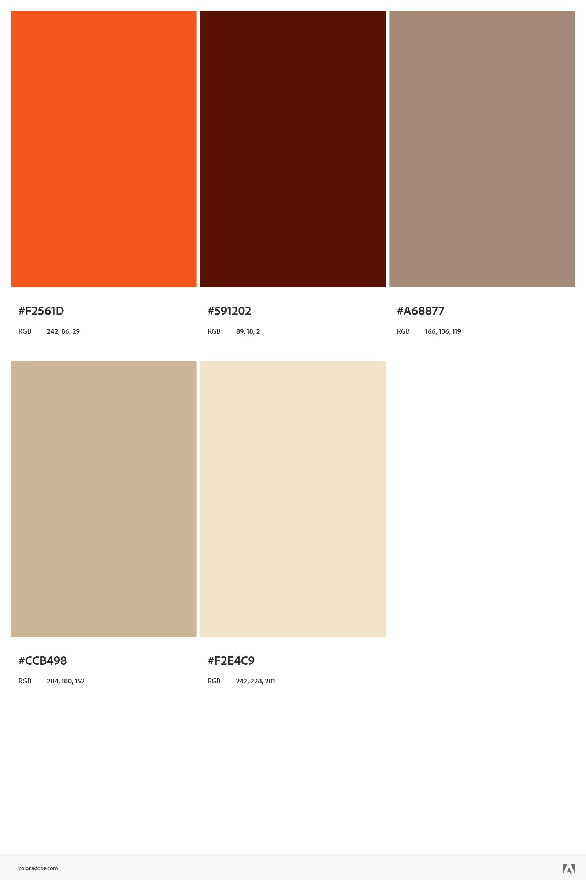

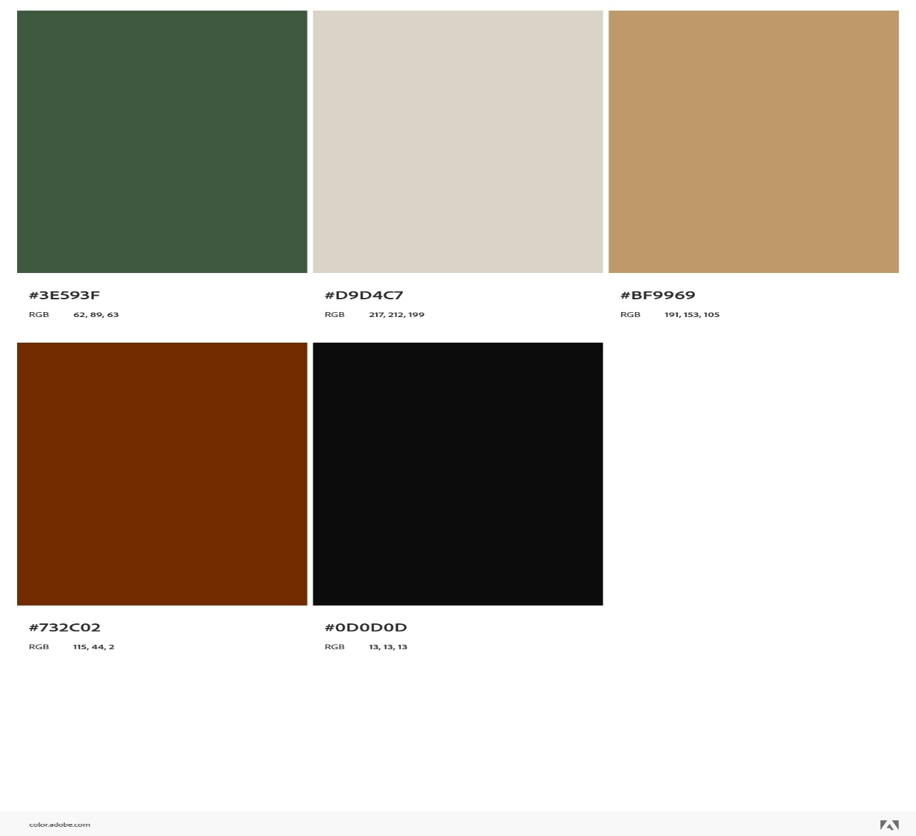
F2561D
£3
3E593F

 |  | BF9969

 | CCB498

